Application_Screen
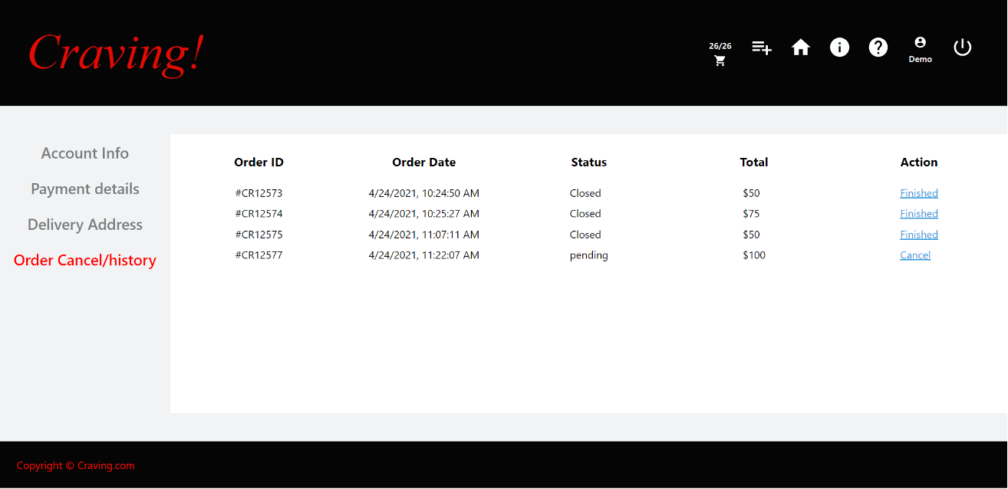

Test Case 5
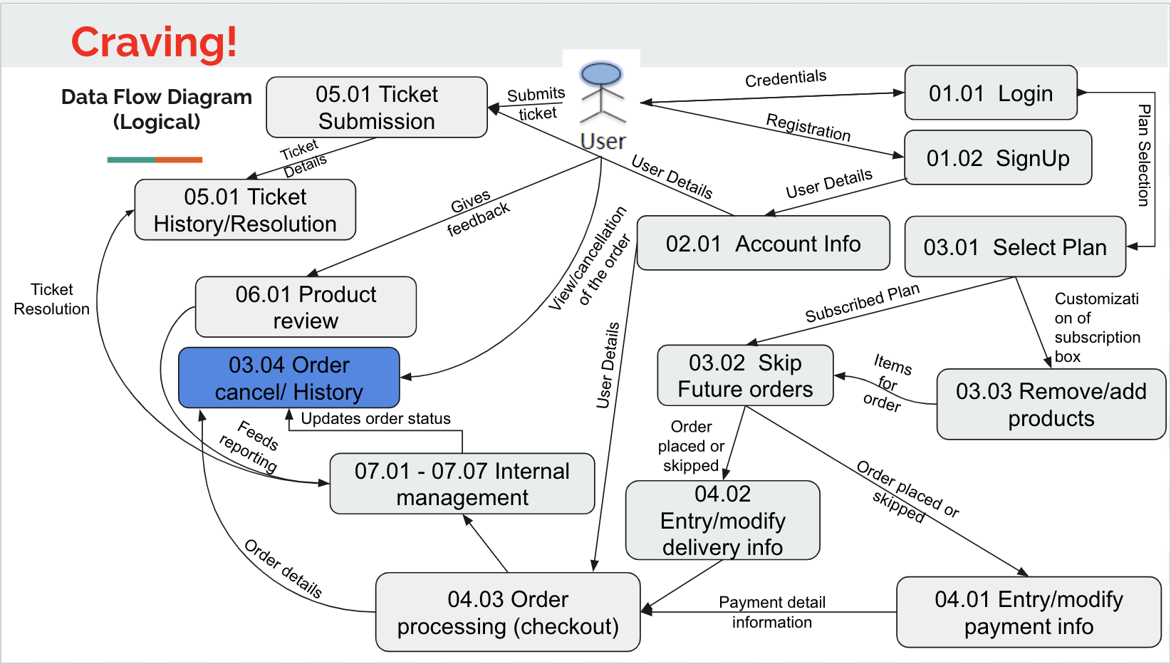
TC Title: | TC5. Order Cancel/history - DF-In - Data Flow In

TC Objective: | This test case validates the data flows in to the Order Cancel/history feature from the Order processing feature. To verify the tester should first submit the order and then check if the order apears on the Order history/resolution page.

TC Description
 | Step | Step Description | Expected Results
 | 1 | The tester should first submit the order and then proceed to the order cancel/history page to ensure the order submitted is rendered correctly on the order history/cancel page | Same data that was entered on the ticket submission page should appear on the ticket/history resolution page.

